SOAL_2
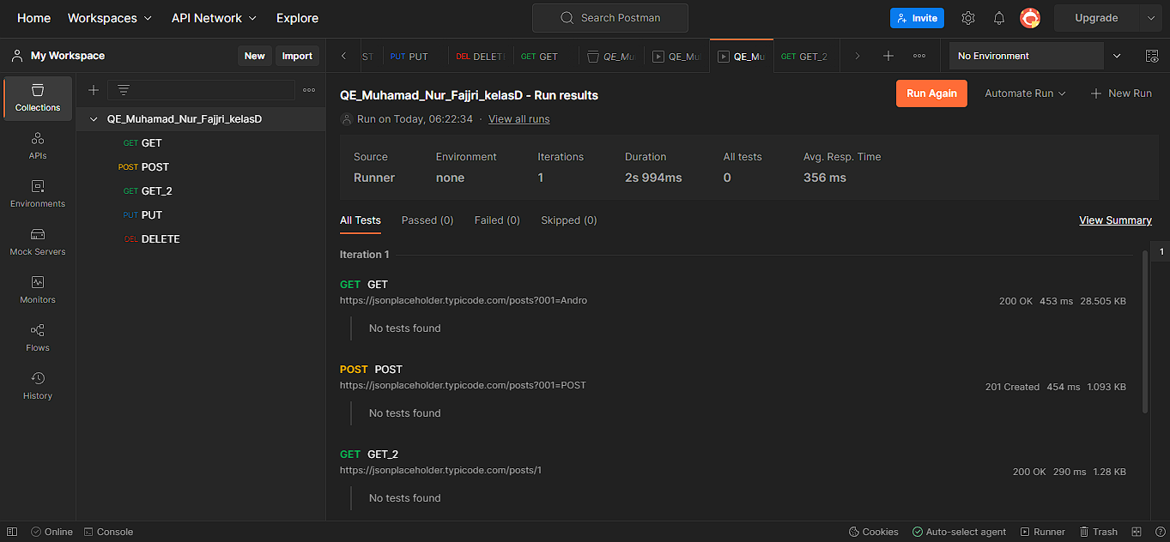
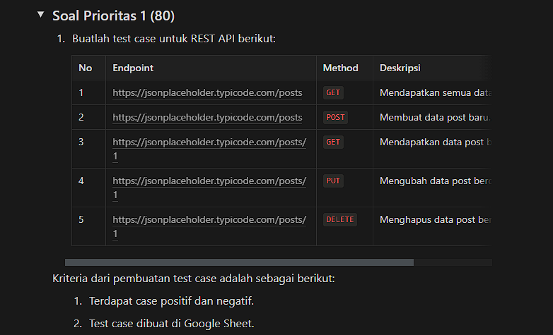
Test Case ID |  | - | Test Case Description | test API menggunakan postman
Created By |  | Andro (M Nur Fajjri Z) | Reviewed By | - |  | Version |  | 5.0

QA Tester’s Log |  | -

Tester's Name |  | Andro (M Nur Fajjri Z) | Date Tested | 2023-03-25 06:31:54 |  | Test Case (Pass/Fail/Not Executed) |  | -

S # | Prasyarat (Prerequisites) |  |  | S # | Data yang ditest
1 | Akses menggunakan browser chorme desktop win 10 home |  |  | 1 | https://jsonplaceholder.typicode.com/posts
2 |  |  |  | 2
3 |  |  |  | 3
4 |  |  |  | 4

Test Scenario | test API GET (positf negatif)

Langkah (Step) | Detail langkah (Step Details) |  | Hasil yang diharapkan (Expected Results) | Hasil sesungguhnya (Actual Results) |  |  | Lolos/Gagal/Tidak dieksekusi/Tertahan (Pass / Fail / Not executed / Suspended)

1 | Memasukan API kedalam postman GET POST PUT dan DELETE |  | API harus berjalan dengan respon code 200 | sesuai yang diharapkan |  |  | PASS
2
3

